Methodology
 | Methodology

Methodology

Analysys Mason’s Consumer smartphone analytics data was collected during July and August 2016, in association with Verto Analytics.

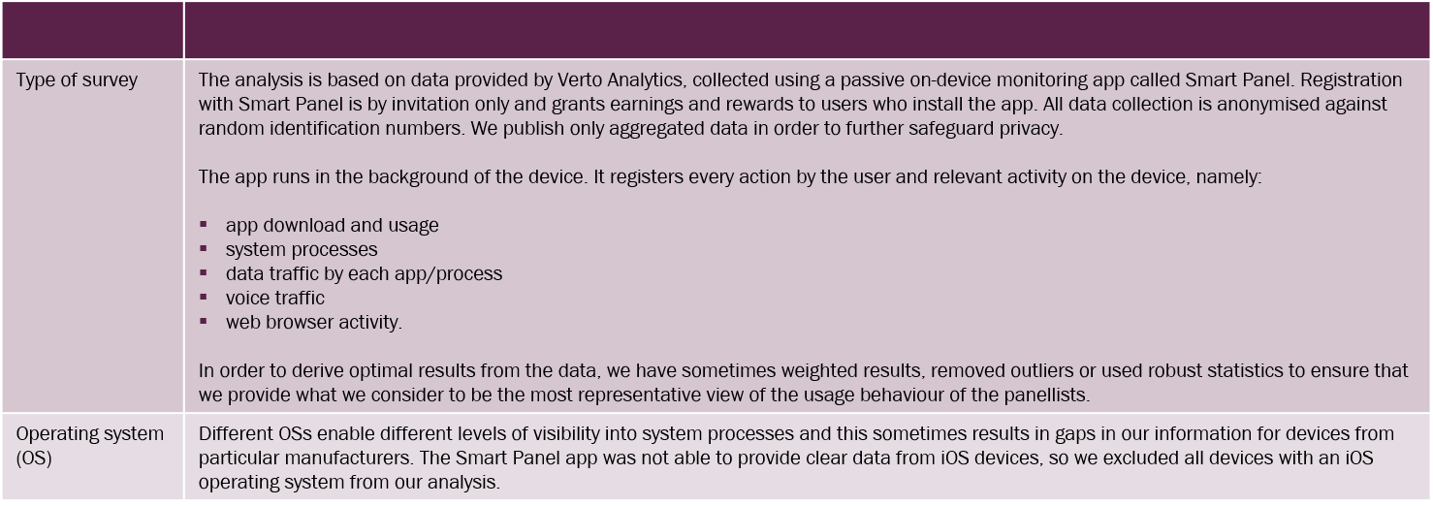

Panel Information

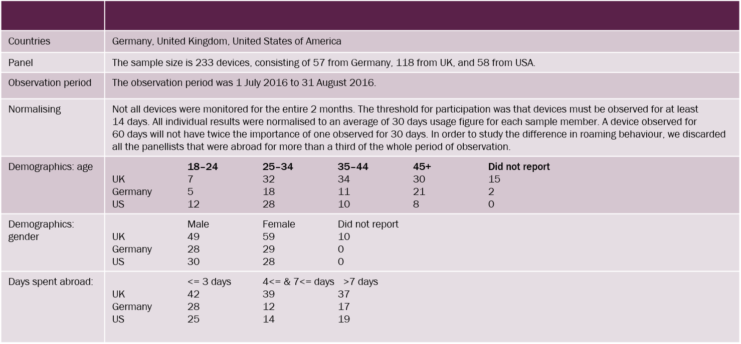

Taxonomy: ‘Categories of activity’, and their sub-categories of ‘app types and services’

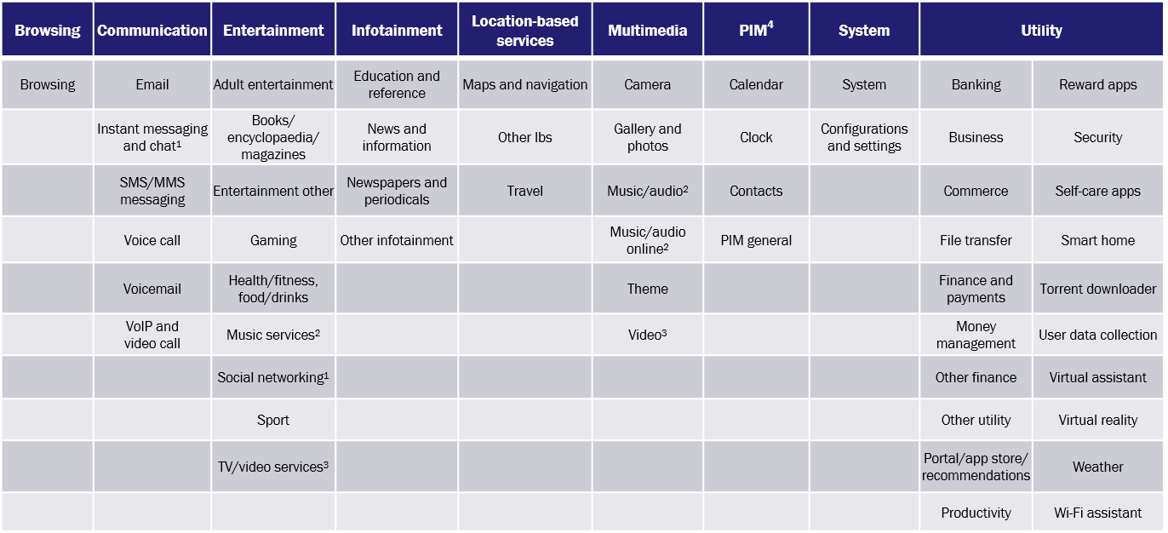
Categories of activity

App
types and services

¹ IM/chat apps and social networking apps are categorised according to how central ‘comms features’ are to them rather than ‘social profiles’. IM/chat apps include Facebook Messenger, Kik and WhatsApp Messenger. Social networking apps include Facebook (not Messenger), Instagram, Snapchat and Twitter.
² Music services under ‘Entertainment’ are apps that allow for downloading and streaming, such as Deezer, Pandora and Spotify. Music/audio apps under ‘Multimedia’ are music, audio and podcast players, managers and editors for content stored on devices or in the cloud. Examples are Samsung Music, MP3 Players, Wave Pad, Podcast Republic, Shazam, Poweramp and Music Player.
³ TV/video services under ‘Entertainment’ are apps that allow for downloading and streaming, such as Netflix, Sky Go and YouTube (app). Video apps that appear under ‘Multimedia’ are video players, managers and editors, such as Kodi, MX Player, Plex, VLC and VPlayer.
⁴ Personal information management

